Sheet1


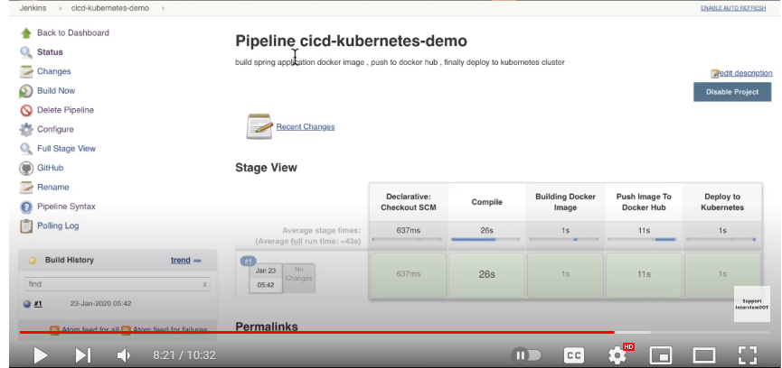

adm spl
spzl | pgm
p | f
adm spl depz
spzl | dep splzn | dep
f | p | f
adm pgm sch
pgm sch id | pgm id | sch id
p | f | f

